Sheet1
Question 3

 |  | Runtime Comparison: (Sum is being printed)

 |  | No change | i, j inverted
 | 1 | 411898 | 963424
 | 2 | 408907 | 981435
 | 3 | 409903 | 959488
 | 4 | 410901 | 978352
 | 5 | 408906 | 948516
 | 6 | 405915 | 964447
 | 7 | 405915 | 955466
 | 8 | 403920 | 958476
 | 9 | 417882 | 961430
 | 10 | 420909 | 980379
 | Average | 410505.6 | 965141.3

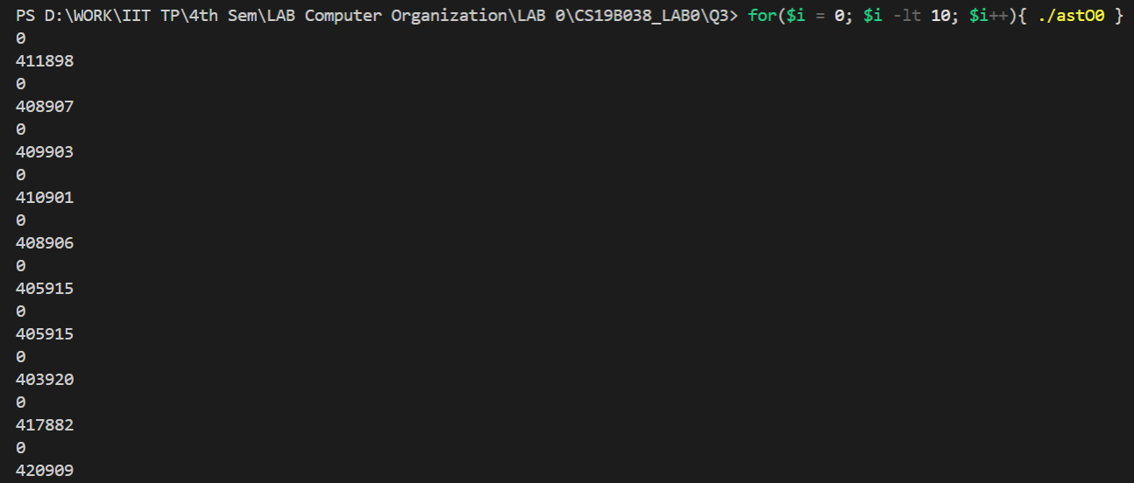

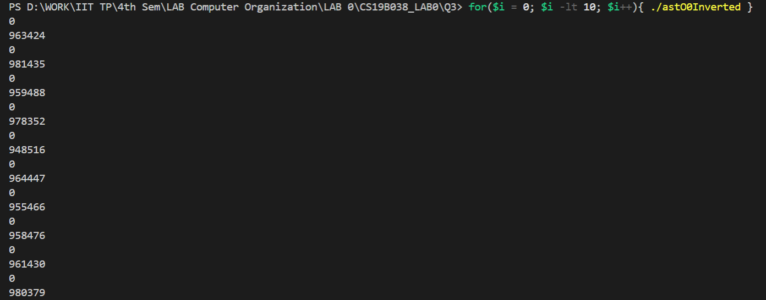

 |  | Inference
 |  | The amount of time taken in the second version is more than double than that of the first one.
 |  | This is so because of the referencing that takes place inside the second loop.
 |  | In the second one, the pointer has to jump ahead to a location which is equal to the number of rows and then traverse it back when the second loop is terminated.
 |  | In the first version, the pointer is only incremented to the next memory location.

 |  | Runtime Comparison: (Sum is being printed; I, J is not inverted)
Runtime with custom N
 |  | N (x-axis) | Time (microseconds) (y-axis)
 | 1 | 10 | 929
 | 2 | 100 | 1000
 | 3 | 500 | 2011
 | 4 | 1000 | 5983
 | 5 | 2500 | 29338
 | 6 | 5000 | 111701
 | 7 | 7500 | 241355
 | 8 | 10000 | 428831
 | 9 | 12500 | 647267
 | 10 | 15000 | 924528

 |  | Inference
 |  | The plot of the graph is parabolic. It is evident from the fact that we have two nested loops which suggests that we have a time complexity of n^2.

